Screen
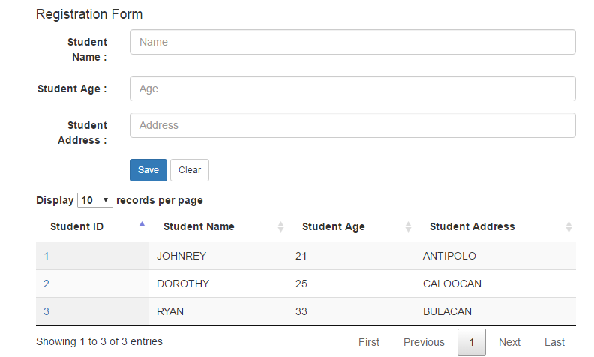
After running the project and accessing the site, the screen will look like this ...

SQL Script
Create Database
CREATE DATABASE "School"
WITH OWNER = postgres
ENCODING = 'UTF8'
TABLESPACE = pg_default
LC_COLLATE = 'English_Republic of the Philippines.1252'
LC_CTYPE = 'English_Republic of the Philippines.1252'
CONNECTION LIMIT = -1;

Create Table
DROP TABLE IF EXISTS student_info;
CREATE TABLE student_info
(
student_id SERIAL PRIMARY KEY,
student_name character varying (100),
student_age character varying (5),
student_address character varying(255)
);

Insert Sample Records
INSERT INTO student_info (student_name,student_age, student_address) VALUES
('JOHNREY','21','ANTIPOLO'),
('DOROTHY','25','CALOOCAN'),
('RYAN','33','BULACAN');

